1. Title Page
Instacart Groceries Data Analysis

Project Name: Instacart Groceries Data Analysis
Date: 31/12/2023
Analyst Name: Sahampathi Weerasuriya

Contents:
Population Flow
Consistency checks
Wrangling steps
Column derivations
Visualizations
Recommendations

2. Population Flow
Title page

Population flow

Exclusion flag
Condition: max_order <
Obervations to be removed:
Final total count of order_products_all:

Orders_products_combined
Orders_products_merged
Orders_products_all

Total:32404859
Total: 32434489
Total: 10801619 (Sample due to memory crash)

1.) The grey boxes in the first row of the population flow represent the original data sets as they were when you downloaded them. In the Total fields you need to add the count of the rows when you imported the data set into Jupyter.
2.) The second row of boxes (coloured) represents the data sets after you manipulated them, e.g., removed missing values and duplicates. In the Total fields you need to add the count of the rows after conducting these operations. This offers a visual oveview of how the data flows throughout the data consistency checks.
3.) The third row, where also the arrows are coloured, represents the merges you performed between the datasets. In the Total fields you need to add the count of the rows in the merged datasets, so that you end up with the final dataset (in the red box). Keep in mind the final dataset should be without exclusions (based on the exclusion flag).

3. Consistency checks
 |  |  |  | Title page
Consistency checks

Dataset | Missing values | Missing values treatment | Duplicates
orders | 206,209 missing values in days_since_prior_order column. | Missing values appeared to be the first order of each customer . So flaged then as Nana and left as they are | None
products | 16 missing values | Removed | 5 found and removed
orders_products_prior | 5,127 Values from prices | These were treated as outliers and and considered as missing values as they could prevent outliers when analysing | None
customers | 11259 Missing values | None as it has no impact for analysis | None

4. Wrangling steps
 |  |  |  | Title page
Wrangling steps

Columns dropped | Columns renamed | Columns' type changed | Comment/Reason
eval_set |  |  | Not required
 | order_dow to orders_day_of_week |  | For clear understanding
 |  | order_id | Int to string
 |  | user_id | Int to string
 | order_time_of_day_ to hour_of_the _order_made |  | For clear understanding
 | busiest_period_of_day to busiest_hours |  | For clear understanding
 | 'First Name' to 'First_Name' |  | For clear understanding
 | 'Surnam' to 'Last_Name' |  | For clear understanding
 | 'STATE' to 'State' |  | For clear understanding
 | 'n_dependants' to 'number_of_dependants' |  | For clear understanding
merge_ |  |  | Not required
Firs_name & Last_name |  |  | Security reasons

5. Column derivations
 |  |  |  | Title page

Column derivations and aggregations

In this tab you should add tables below that the frequences of flags/label variables that you produced after deriving them. NB: don't do this for continuous variables, only for flags.
Dataset | New column | Column/s it was derived from | Conditions

df_orders_products_merged | price label | prices | def price_label(row): if row['prices'] <= 5: return 'Low-range product' elif (row['prices'] > 5) and (row['prices'] <= 15): return 'Mid-range product' elif row['prices'] > 15: return 'High range' else: return 'Not enough data'
df_orders_products_merged | Bussiest_day | orders_day_of_week | for value in df_orders_products_merged["orders_day_of_week"]: if value == 0: result.append("Busiest day") elif value == 4: result.append("Least busy") else: result.append("Regularly busy")
df_orders_products_merged | busiest_days | orders_day_of_week | df_orders_products_merged.loc[df_orders_products_merged['orders_day_of_week'].isin([0, 1]), 'busiest_days'] = 'Busiest_days' df_orders_products_merged.loc[df_orders_products_merged['orders_day_of_week'].isin([6, 2, 5]), 'busiest_days'] = 'Regular_days' df_orders_products_merged.loc[df_orders_products_merged['orders_day_of_week'].isin([3, 4]), 'busiest_days'] = 'Slowest_Days'
df_orders_products_merged | busiest_period_of_day | hour_of_the _order_made | busiest_hours = [] for row in df_orders_products_merged['hour_of_the _order_made']: if row in hours[:8]: busiest_hours.append("Most_orders") elif row in hours[8:16]: busiest_hours.append("Average_orders") else: busiest_hours.append("Fewest_orders")
ords_prods_merge | max_order | department_id/'order_number | df.groupby('department_id').agg({'order_number': ['mean', 'min', 'max']})
ords_prods_merge | loyalty_flag | max_order | ords_prods_merge.loc[ords_prods_merge['max_order'] > 40, 'loyalty_flag'] = 'Loyal customer' ords_prods_merge.loc[(ords_prods_merge['max_order'] <= 40) & (ords_prods_merge['max_order'] > 10), 'loyalty_flag'] = 'Regular customer' ords_prods_merge.loc[ords_prods_merge['max_order'] <= 10, 'loyalty_flag'] = 'New customer'
ords_prods_merge | mean_spend | User_id/prices | ords_prods_merge['mean_spend'] = ords_prods_merge.groupby(['user_id'])['prices'].transform('mean')
ords_prods_merge | spending_flag | mean_spend | ords_prods_merge.loc[ords_prods_merge['mean_spend'] < 10, 'spending_flag'] = 'Low spender' ords_prods_merge.loc[ords_prods_merge['mean_spend'] >= 10, 'spending_flag'] = 'High spender'
ords_prods_merge | median_order_frequency | days_since_prior_order/user_id | ords_prods_merge['median_order_frequency'] = ords_prods_merge.groupby(['user_id'])['days_since_prior_order'].transform('median')
ords_prods_merge | order_frequency_flag | median_order_frequency | ords_prods_merge.loc[ords_prods_merge['median_order_frequency'] > 20, 'order_frequency_flag'] = 'Non-frequent customer' ords_prods_merge.loc[(ords_prods_merge['median_order_frequency'] <= 20) & (ords_prods_merge['median_order_frequency'] > 10), 'order_frequency_flag'] = 'Regular customer' ords_prods_merge.loc[ords_prods_merge['median_order_frequency'] <= 10, 'order_frequency_flag'] = 'Frequent customer'
ords_prods_merge_customer | exclusion_flag | max_order | ords_prods_merge_customer['exclusion_flag'] = np.where(ords_prods_merge_customer['max_order'] < 5, 'Yes', 'No')
ords_prods_merge_customer | income flag | income | ords_prods_merge_customer['income_flag'] = pd.cut(ords_prods_merge_customer['income'], bins=[float('-inf'), 30000, float('inf')], labels=['Low Income', 'High Income'])
ords_prods_merge_customer | age flag | age | ords_prods_merge_customer['age_flag'] = pd.cut(ords_prods_merge_customer['Age'], bins=[float('-inf'), 25, 50, float('inf')], labels=['Young', 'Middle Age', 'Old'])
ords_prods_merge_customer | customer_profile | age_flag/income_flagfam_status/Number_of_dependants | ords_prods_merge_customer['customer_profile'] = ( ords_prods_merge_customer['age_flag'].astype(str) + '_' + ords_prods_merge_customer['income_flag'].astype(str) + '_' + ords_prods_merge_customer['fam_status'].astype(str) + '_' + ords_prods_merge_customer['Number_of_dependants'].apply(lambda x: 'no_depend' if x == 0 else 'with_depend') )

6. Visualizations
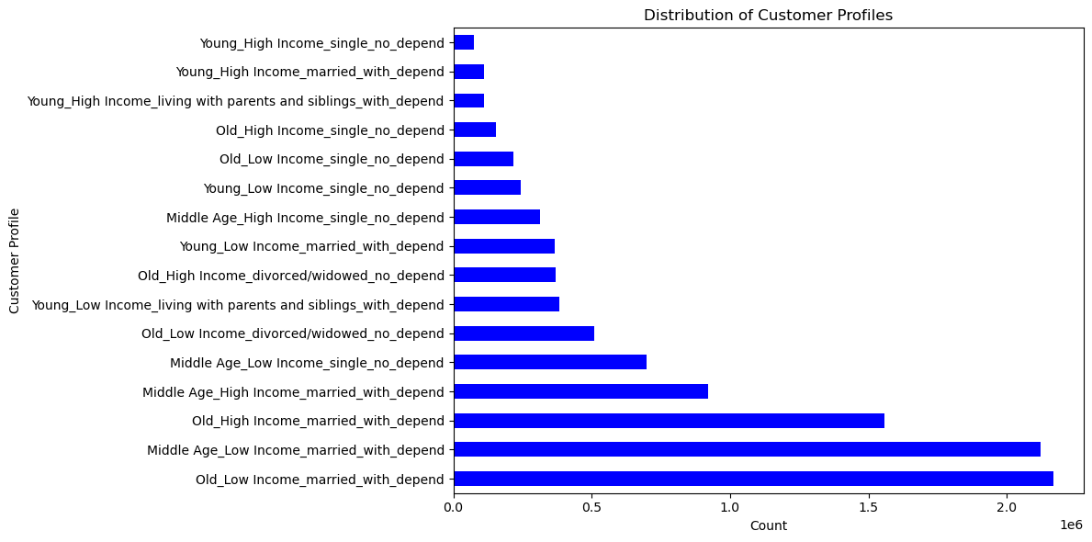
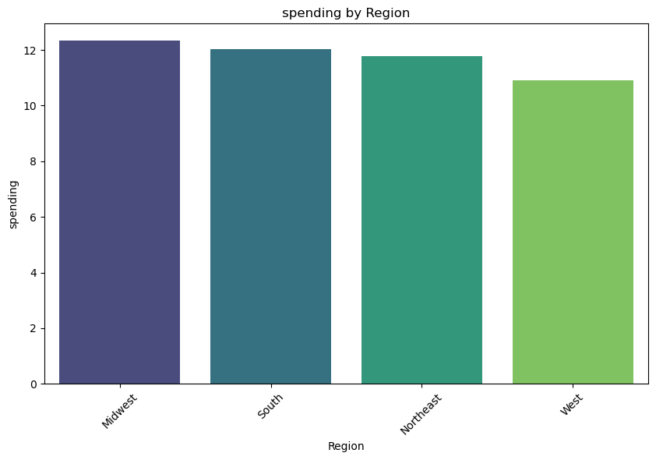
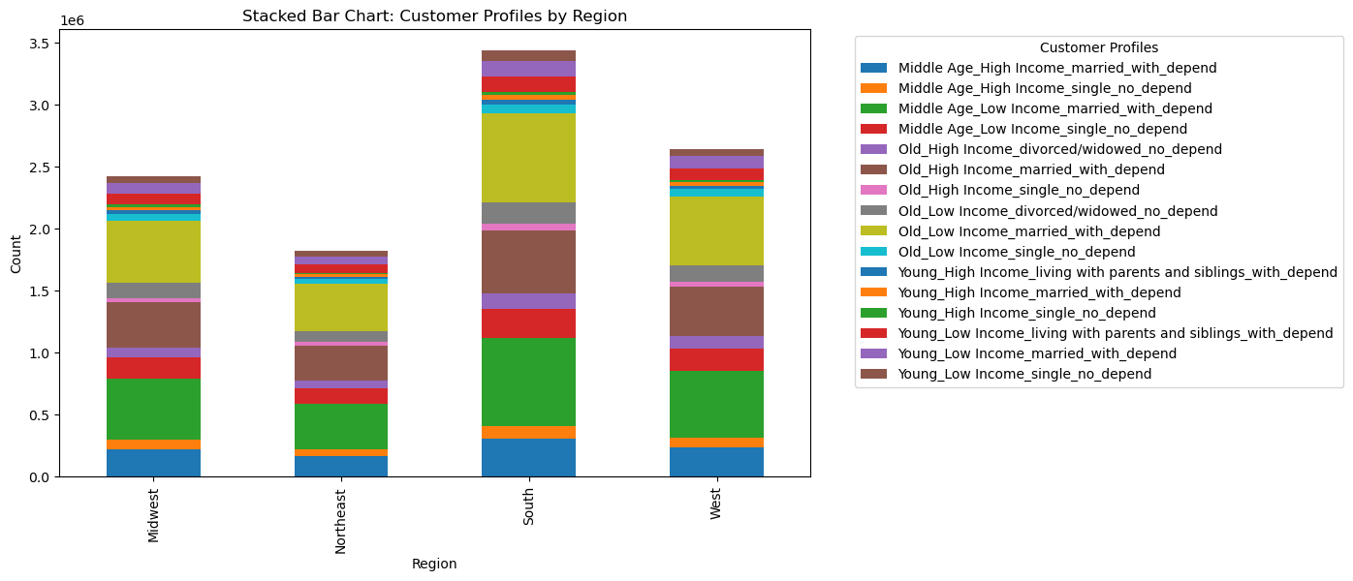
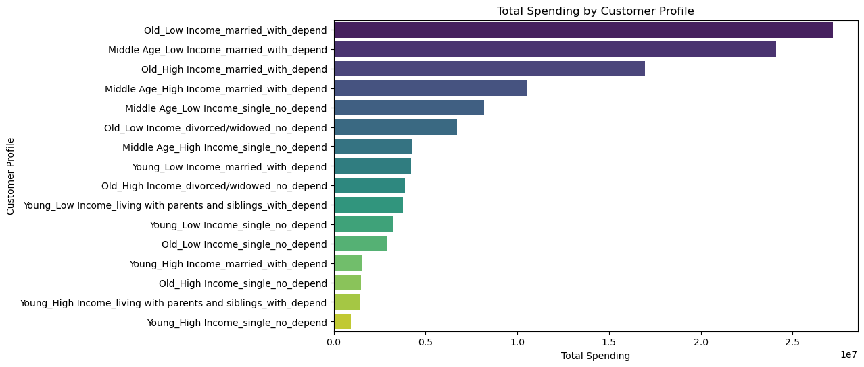
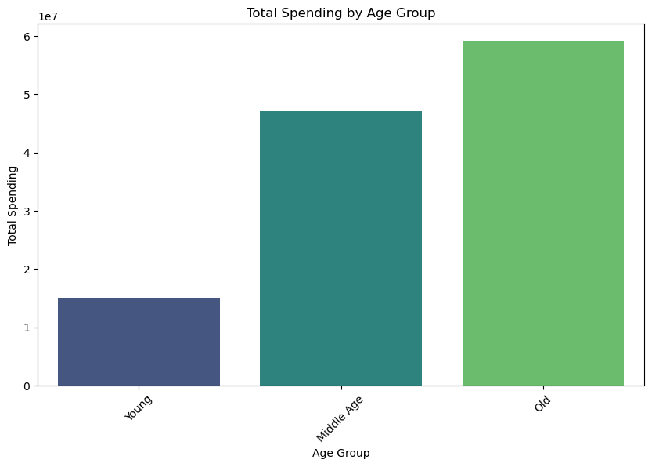
 |  |  |  |  | Title page

Visualisations

In this tab you should include all the visualtions from Exercises 4.9 and 4.10, alongside the questions from the project brief that they answer. Include any commentary on the relationship between different variables.


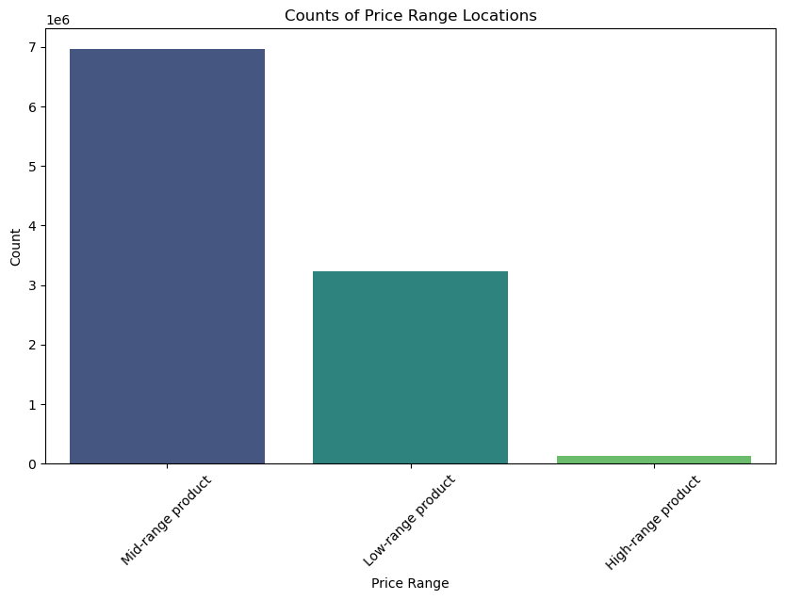
The sales team needs to know what the busiest days of the week and hours of the day are (i.e., the days and times with the most orders) in order to schedule ads at times when there are fewer orders |  |  | Are there differences in ordering habits based on a customer’s loyalty status?

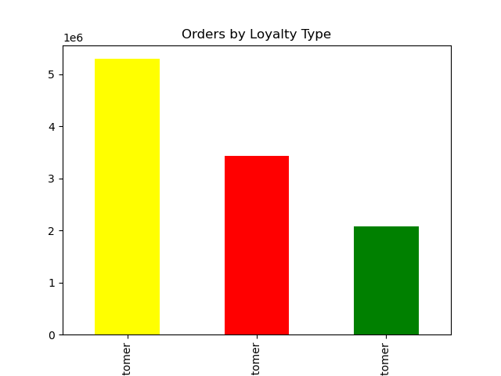

Order frequency by week | Purchases count on price range | Regular customer | Loyal customer | New customer

whether there are particular times of the day when people spend the most money, as this might inform the type of products they advertise at these times | What different classifications does the demographic information suggest? Age? Income? Certain types of goods? Family status?

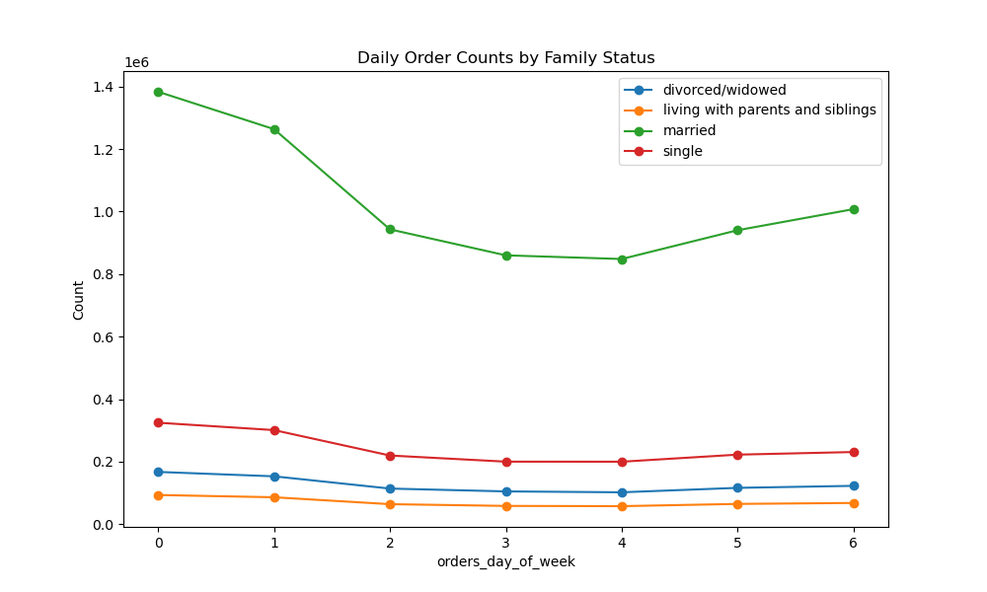
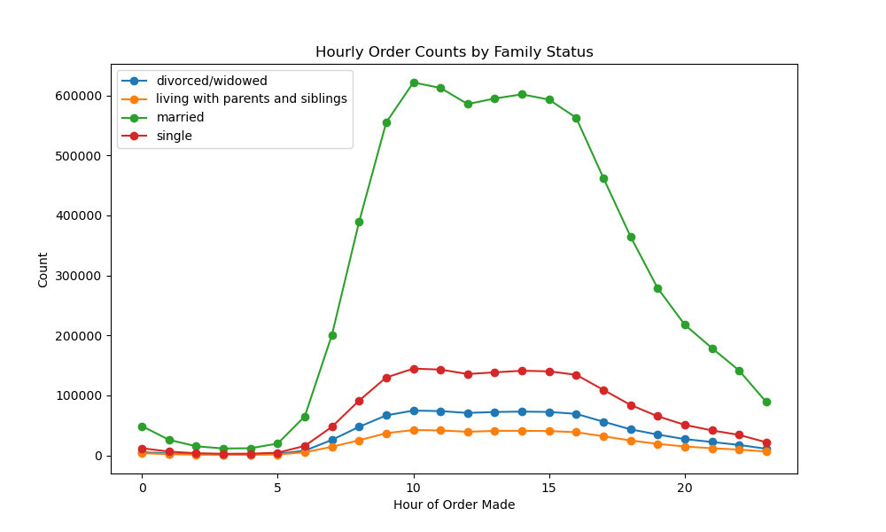


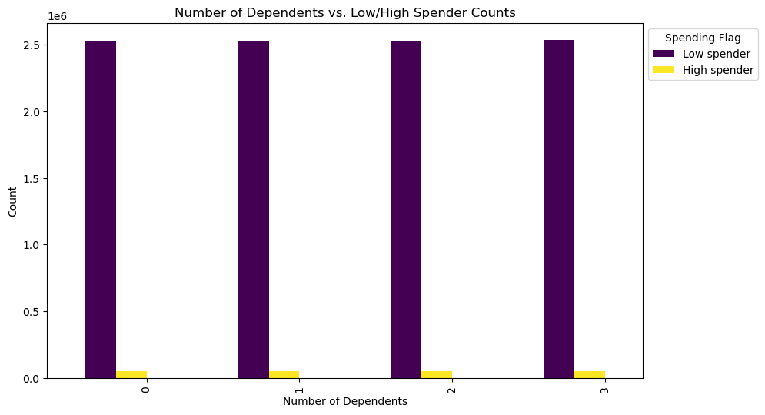
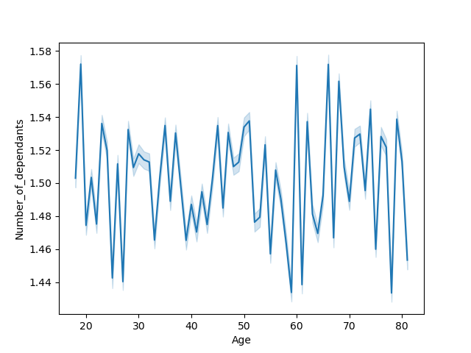
Avg number of dependants by age

Are there differences in ordering habits based on a customer’s region?

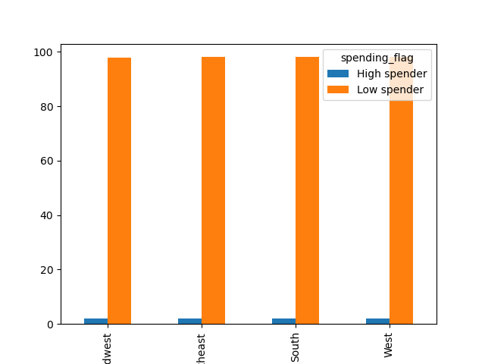

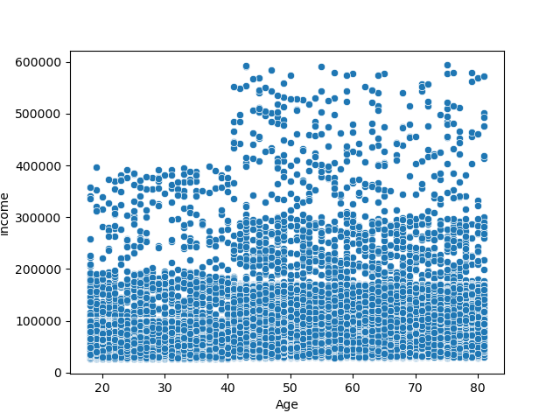
Income and age destribution

7. Recommendations
 |  | Title page

Recommendations

In this tab you should include any recommendations you would made to Instcart in terms of their marketing strategy based on the questions posed in the brief. Every key question has been covered in the Tasks of the Exercises - here you need to add an item - a visualisation or table/crosstable that is showing the answer in the data, acompanied by a comment from you. Please, list the questions below and add the answer underneath.

Question | Answer
The sales team needs to know what the busiest days of the week and hours of the day are (i.e., the days and times with the most orders) in order to schedule ads at times when there are fewer orders. | Looking in to the days of week. It is recommended to focus on weekends and then gradually reduce the effort on advertising towards the end of mid week.
They also want to know whether there are particular times of the day when people spend the most money, as this might inform the type of products they advertise at these times. | During the day it is recommended to use time between 10a.m to 3 p.m for advertising. After that purchasings has been dropping till the next day
Instacart has a lot of products with different price tags. Marketing and sales want to use simpler price range groupings to help direct their efforts. | It indicates that Mid range products have been purchased significantly higher times while low range products too have been purchased considerably frequent times where high range products has been purchased very few times
What’s the distribution among u.sers in regards to their brand loyalty . Are there differences in ordering habits based on a customer’s loyalty status? | Here if you look in to purchase values of loyal customers it positions between regular and new customers. So loyal customers tend to buy low range products while it has been the regular customers who generate more income.
Are there differences in ordering habits based on a customer’s region? | There isn´t a huge difference in spending related to regions. The west region shows least spending while midwest shows highest spendings
Is there a connection between age and family status in terms of ordering habits? | Compared to other family statuses married people has been the biggest client base for instabasket. Considering age it indicated that older clients use the app more and middle-aged clients behind them and young people has been the lowest among using the app.
What differences can you find in ordering habits of different customer profiles | Looking at the customer profile made on age, dependants, income and family status it shows that regardless of the income old and middle aged married customers with dependants use the app most

